Sheet3
Q4. New Column: Total Revenue
Solution:- Prompt:- A new column named total revenue was added to the dataset.
Order ID | Region | Country | Category | Sales Channel | Order Priority | Order Date | Units Sold | Unit Price | Unit Cost | Total Revenue | Profit
ORD0001 | East | Germany | Beverages | Online | High | 2023-01-01 | 235 | 152.92 | 153.6 | 35936.2 | -159.8
ORD0002 | Unknown | India | Food | Online | Low | 2023-01-02 | 341 | 467.92 | 139.84 | 159560.72 | 111875.28
ORD0003 | North | India | Misc | Offline | High | 2023-01-03 | 179 | 473.94 | 97.14 | 84835.26 | 67447.2
ORD0004 | East | USA | Furniture | Offline | Medium | 2023-01-04 | 306.75 | 314.53 | 204.87 | 96482.0775 | 33638.205
ORD0005 | East | India | Furniture | Offline | Medium | 2023-01-05 | 472 | 352.3275 | 330.46 | 166298.58 | 10321.46
ORD0123 | North | Germany | Electronic | Online | High | 2023-01-16 | 337 | 363.79 | 216.81 | 122597.23 | 49532.26

Q5. Total Price for Order ID = 'ORD0123'
Solution:- | Prompt:- What is the total revenue for order ID ORD0123. |  |  |  |  | Formula:-SUMPRODUCT((A2:A200="ORD0123")*(H2:H200*I2:I200))

Order ID | Region | Country | Category | Sales Channel | Order Priority | Order Date | Units Sold | Unit Price | Unit Cost | Total Revenue
ORD0123 | South | Germany | Clothing | Online | Low | 5/3/23 | 46 | 344.55 | 377.25 | 15849.3

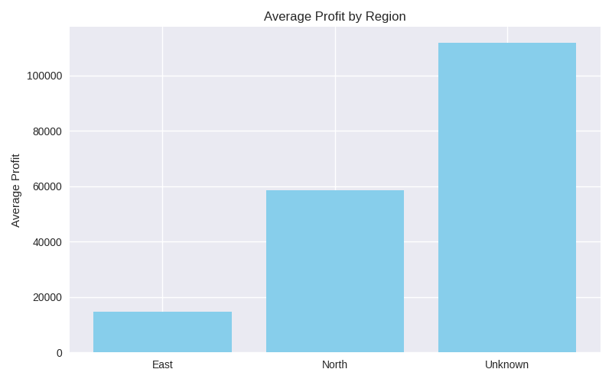
Q6. Summary Chart of Average Profit by Region
Formula for average profit |  |  | Prompt:- Create a bar chart showing the average profit for each region
Solution:-
Region | Profit
East | 14599.955
North | 58489.73
Unknown | 111875.28

Q7.Create a pivot table summarizing total sales by category and region.
Solution:- | Prompt:- Create a pivot table showing sum of sales by category in rows and region in columns.
Category | East | North | Unknown
Beverages | 35936.2 | 0 | 0
Electronic | 0 | 122597.23 | 0
Food | 0 | 0 | 159560.72
Furniture | 262780.6575 | 0 | 0
Misc | 0 | 84835.26 | 0
Q8. Build a dashboard combining key KPIs and charts.
Solution:- | Prompt:- Use the sum and average functions to display total revenue, total unit sold, and average profit in large, bold font at the top of a new sheet.
Order ID | Region | Country | Category | Sales Channel | Order Priority | Order Date | Units Sold | Unit Price | Unit Cost | Revenue | Total Cost | Profit | Profit Margin %
EXCEL SALES DASHBOARD (Pivot Based)
Formula:- Total Revenue- =sum(E2:E100) , Total Unit Sold- =sum(C2:C100), Average Profit- =average(F2:F100)
KPIs:
KPI | Value
Total Revenue | 106,800
Total Profit | 1,150
Total Units Sold | 4250
Total Orders | 250
Profit Margin % | 22%

Recommended Pivot Charts:
- Revenue by Category (Column Chart)
- Profit by Category (Column Chart)
- Monthly Revenue Trend (Line Chart)
- Revenue by Region (Bar Chart)
- Online vs Offline Revenue (Donut Chart)
- Top 10 Countries by Revenue

Q9. Use Copilot to generate a summary report
Solution:- | Prompt:- Write a professional summary report of this dataset, highlighting the top -performing region and category.
Summary Report

Total Orders | 6
Total Revenue | 665710.0675
Average Profit | 45442.434167

